Top 3 Profitable
Top 3 Profitable Sub-Categories by Region
Region | Product Sub-Category | Total Profit
Atlantic | Office Machines | $88,127
 | Telephones and Communication | $41,157
 | Binders and Binder Accessories | $36,529
Atlantic Total |  | $165,813
Northwest Territories | Binders and Binder Accessories | $30,060
 | Office Machines | $27,456
 | Telephones and Communication | $18,178
Northwest Territories Total |  | $75,694
Nunavut | Chairs & Chairmats | $3,373
 | Telephones and Communication | $1,936
 | Computer Peripherals | $1,098
Nunavut Total |  | $6,406
Ontario | Binders and Binder Accessories | $94,699
 | Telephones and Communication | $69,987
 | Chairs & Chairmats | $56,447
Ontario Total |  | $221,133
Prarie | Office Machines | $107,003
 | Telephones and Communication | $58,149
 | Binders and Binder Accessories | $42,302
Prarie Total |  | $207,455
Quebec | Copiers and Fax | $33,141
 | Binders and Binder Accessories | $30,322
 | Chairs & Chairmats | $29,832
Quebec Total |  | $93,294
West | Telephones and Communication | $71,882
 | Binders and Binder Accessories | $65,861
 | Copiers and Fax | $65,733
West Total |  | $203,475
Yukon | Telephones and Communication | $26,054
 | Office Machines | $21,156
 | Office Furnishings | $13,045
Yukon Total |  | $60,255
Grand Total |  | $1,033,526

Top 3 Loss
Top 3 Unprofitable Sub-Categories by Region
Region | Product Sub-Category | Total Loss
Atlantic | Scissors, Rulers and Trimmers | $-792
 | Storage & Organization | $-11,579
 | Tables | $-12,295
Atlantic Total |  | $-24,666
Northwest Territories | Bookcases | $-14,323
 | Computer Peripherals | $-402
 | Storage & Organization | $-3,651
Northwest Territories Total |  | $-18,376
Nunavut | Copiers and Fax | $-548
 | Scissors, Rulers and Trimmers | $-1,760
 | Storage & Organization | $-1,774
Nunavut Total |  | $-4,081
Ontario | Bookcases | $-15,037
 | Scissors, Rulers and Trimmers | $-2,023
 | Tables | $-42,423
Ontario Total |  | $-59,482
Prarie | Rubber Bands | $-55
 | Scissors, Rulers and Trimmers | $-1,968
 | Tables | $-5,582
Prarie Total |  | $-7,605
Quebec | Bookcases | $-12,369
 | Storage & Organization | $-4,842
 | Tables | $-28,301
Quebec Total |  | $-45,512
West | Office Machines | $-10,167
 | Rubber Bands | $-149
 | Tables | $-16,964
West Total |  | $-27,280
Yukon | Bookcases | $-6,889
 | Copiers and Fax | $-8,895
 | Storage & Organization | $-1,185
Yukon Total |  | $-16,968
Grand Total |  | $-203,970

Summary
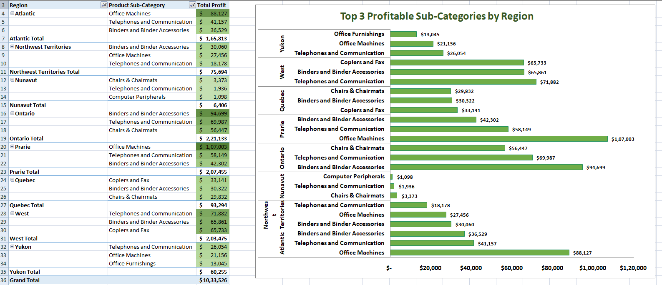
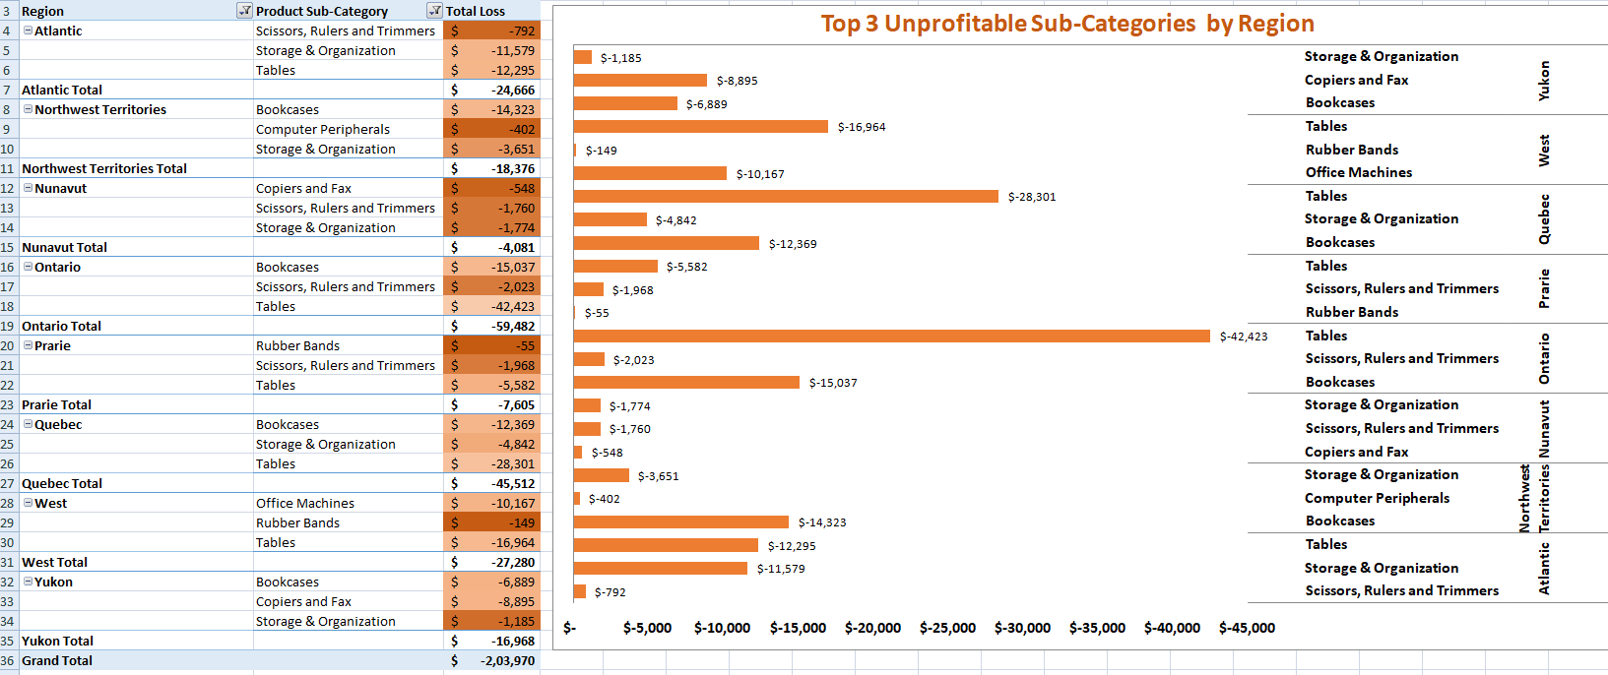
 | Summary
The Growth Driver: "Telephones and Communication products are the primary profit engine, consistently appearing in the Top 3 across 7 of 8 regions."
​The Profit Leak: "The 'Tables' and 'Bookcases' sub-categories represent a systemic loss, particularly in Ontario where a single category loss exceeds $42,000."
​The Strategy: "By optimizing the logistics or pricing of just these two underperforming categories, the company could potentially recover over $200,000 in lost annual profit."

